About Version
ABOUT VERSION

Click here for latest CAR Form and Rates and Fees, Alaska International Airport System, Transportation & Public Facilities, State of Alaska
https://dot.alaska.gov/aias/rates_fees.shtml

Refresh Data: The supporting data for this workbook including fees, Airline listing, Fuel Provider listing, and CMGTW by Aircraft should refresh when opening the file. If for some reason yours does not refresh, you may also click "Data" - "Refresh All" on the Ribbon (as shown in image).

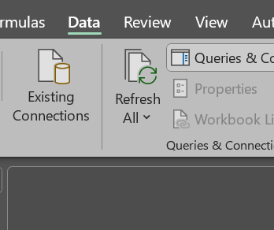
Dynamic Content: | Table Name | Last Updated | Last Refreshed
 | Calendar | 2025-07-15 09:04:12 | 9/23/25
 | CMGTW | 2025-09-19 12:39:24 | 9/23/25
 | Company | 2025-09-09 10:50:35 | 9/23/25
 | Fuel Provides | 2025-09-09 09:53:18 | 9/23/25
 | Airport | 2025-07-01 12:46:31 | 9/23/25
 | Fee Schedule | 2025-09-04 15:08:28 | 9/23/25

Current Form Version | Version: 09/23/2025

Updates | Version Number | Description of Updates
 | Version 09/23/25 | Corrected: Landing fee calculation for Non-Signatory aircraft <=12,500 lbs are now afforded the Signatory Rate
 | Version 09/23/25 | Corrected: Fee Schedule was not refreshing when opened
 | Version 09/23/25 | Updated conditional formatting to show RED when required action is needed
 | Version 09/23/25 | Updated link to AIAS website and form
 | Version 09/23/25 | Added Content Refresh Info

